Requirements
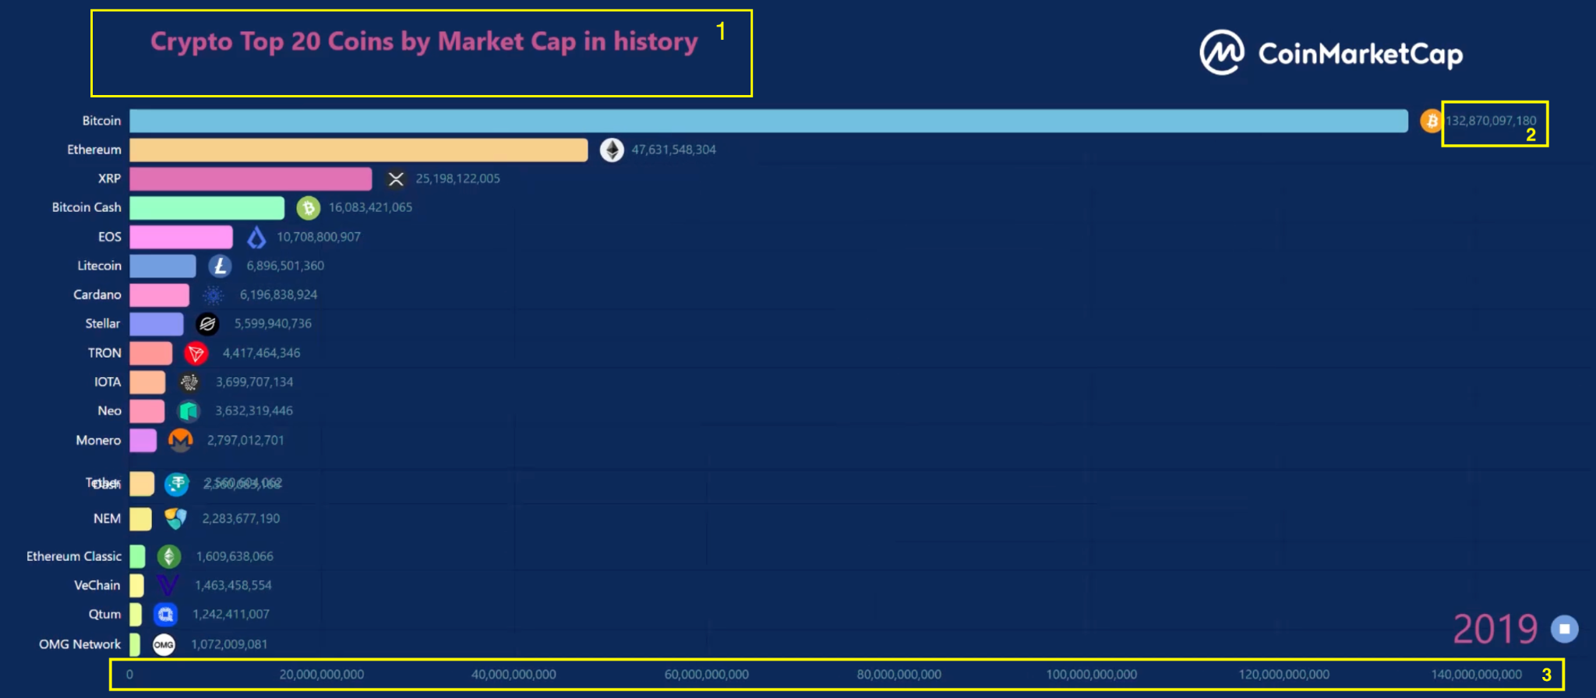
Create 3 animated charts - example: bar chart race: https://flourish.studio/blog/animated-charts/ | Feedback. 1. Crypto Top 20 Coins by Market Cap in History
 | 1. Change title: two line titles Line 1: Crypto Top 20 Coins by Market Cap in History (note: capital "H") - bigger font, bold, white Line 2: 2013-2023 Market Cap in USD - smaller font, non-bold, white
1. Crypto Top 20 Coins by Market Cap in History | 2. All numbers font: white
2. Top 5 Memecoins in History | 3. X axis: please round to billions & trillions, similar to the 2nd chart Top X Axis
3. Top 5 Smart Contracts in History | 4. Bar colour change: Bitcoin please use Bitcoin orange, the other colours can be more vivid as well
 | 5. Bottom right Year number - bigger font, bold, white
Please include the logo of each coin: please include CoinMarketCap logo at the top right of the chart | 6. When the animation ends, it should end on a still chart; currently the last frame of the animation ends where several bars are still switching places
Design elements/colour please reference here:
https://drive.google.com/file/d/1zpwL7FGsqdnMkjhaPOPcb1qH9AAfHwUL/view?usp=drive_link
https://drive.google.com/file/d/1d54JjiWAALgq7cFZ284WqNj_nifDxRFy/view?usp=drive_link
Only need the Year at the bottom right of the chart - smaller font than the Flourish example

Coin Logos
Bitcoin
Ethereum
Tether
BNB
USD Coin
XRP
Cardano
Lido Staked ETH
Dogecoin
Polygon
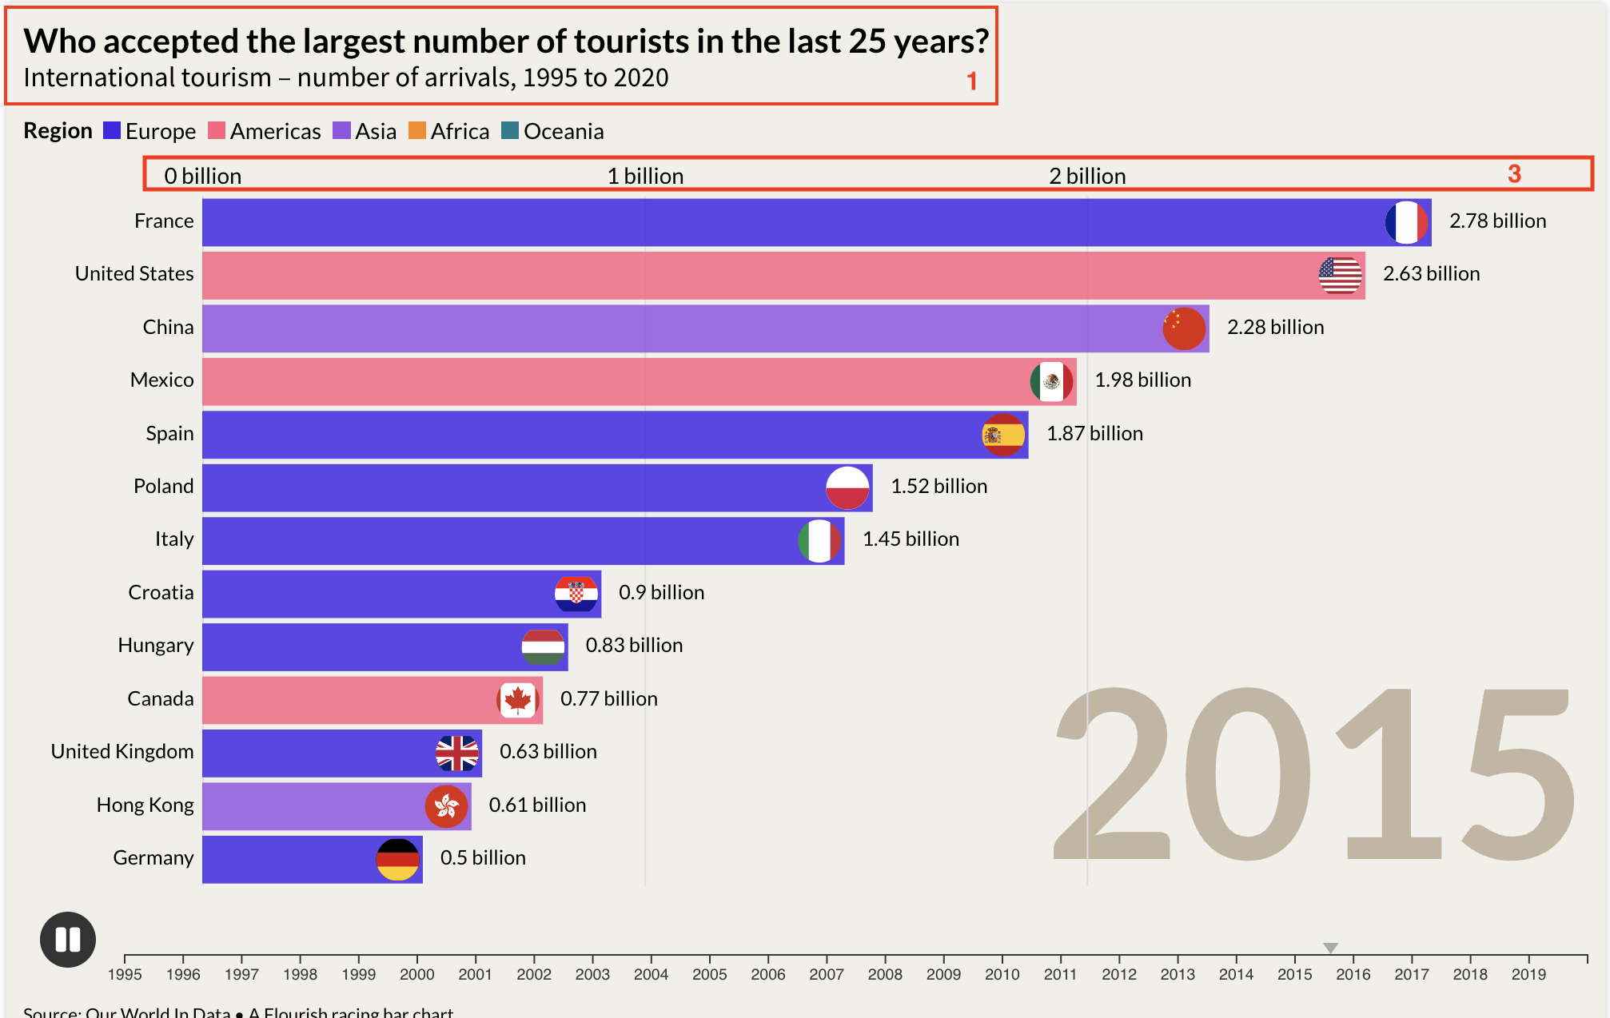
Wrapped TRON
Solana
TRON
Litecoin
Polkadot
Binance USD
Shiba Inu
Dai
Avalanche
Wrapped Bitcoin
Auroracoin
Peercoin
Nxt
PayCoin
Steem
Dash
Bitcoin Cash
HEX
Namecoin
Omni
BitShares
NEM
Stellar
EOS
Terracoin
Novacoin
MaidSafeCoin
The DAO
Monero
Ethereum Classic
Bitcoin SV
Chainlink
Devcoin
Feathercoin
Primecoin
Megacoin
Bitcoin Gold
Neo
Banx
Quark
IOTA
Freicoin
WorldCoin
BitShares PTS
BlackCoin
Stratis
CHNCoin
Digitalcoin
Mincoin
Lisk
Bytecoin
Tezos
Terra Classic
Yacoin
Counterparty
Factom
Golem
Ixcoin
BBQCoin
DigixDAO
Zcash
UNUS SED LEO
Uniswap
BitBar
Infinitecoin
XCurrency
FuelCoin
NuShares
Waves
Bullion
Zetacoin
Vertcoin
CloakCoin
TRMB
HyperSpace
Siacoin
Huobi Token
Qora
SuperNET
YbCoin
Emercoin
Gnosis
Qtum
Vechain
Anoncoin
MonaCoin
NuBits
Augur
BitConnect
Aave
Cronos
Luckycoin
Tickets
ReddCoin
NetCoin
Peerplays
OMG Network
Cosmos
Goldcoin
Maxcoin
BitCrystals
Nano
ICON
Algorand
yOUcash
Einsteinium
Pepe Cash
Memetic / PepeCoin
ERC20
Banano
YAM V1
Hoge Finance
CumRocket
Wownero
Pepemon Pepeballs
Dogelon Mars
Samoyedcoin
RichQUACK.com
Baby Doge Coin
Bone ShibaSwap
FLOKI
fedoracoin
pivx
decred
SingularDTV
Ontology
TAGZ5
storeum
filecoin
Theta Network
TerraClassicUSD

